Series
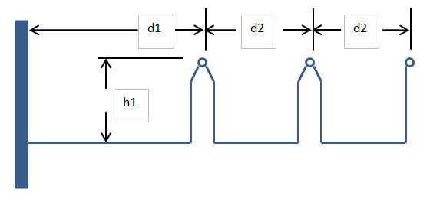
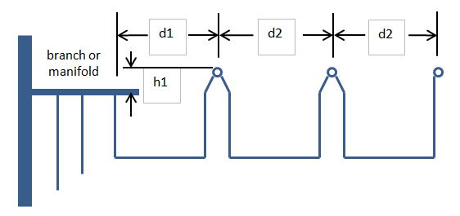
 | Series
 |  |  |  |  | d1* | d2 | h1 |  |  |  |  |  | Copper | Tube
 |  | Number of Lavatories | Pipe Size | Actual ID | Supply to first lavatory | between lavatories | height of lavatory supply | equivalent length of fittings | Total Developed Length | Flow | velocity | Pressure loss | Nominal | actual ID
 |  | (qty) | (nominal) | (in) | (in) | (in) | (in) | (ft) | (ft) | (GPM) | (ft/sec) | (psi) | Size | (inches)
example drawn: |  | 3 | 0.75 | 0.785 | 33 | 30 | 6 | 5 | 15.25 | 6.5 | 4.3091717658 | 2.8395399508 | 0.5 | 0.545
 |  | 3 | 0.75 | 0.785 | 33 | 30 | 6 | 5 | 15.25 | 6.5 | 4.3091717658 | 2.8395399508 | 0.75 | 0.785

 |  | d1 is the length of pipe (horizontal) from larger supply pipe. |  |  |  |  |  |  |  |  |  | User Input Cells
 |  | If a riser is supplying the series, d1 is the distance to the riser. |  |  |  |  |  |  |  |  |  | Calculated Values, Constants
 |  | If a manifold or branch is supplying the series, d1 is the length of pipe to the manifold or branch. |  |  |  |  |  |  |  |  |  | Important Values

Ring
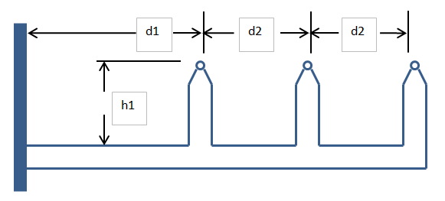
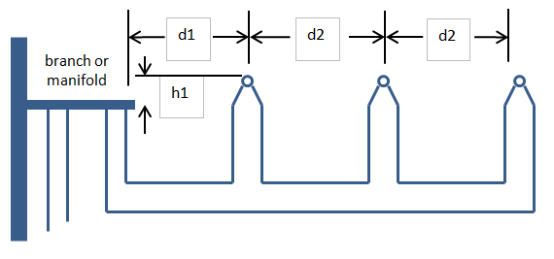
 | Ring |  | The worst case pressure loss of a ring will be the fixture closest to the center of the total developed length. This sheet will help find the total developed length of the entire ring and calculate the pressure loss of half that distance. This will slightly overestimate the pressure loss.
 |  |  |  |  | d1 | d2 | h1
 |  | Number of Lavatories | Nominal Pipe Size | Actual ID | supply to first lavatory | distance between lavatories | height difference | Equivalent length of fittings | Total Developed Length of Ring | Flow | velocity | Pressure loss
 |  | (qty) |  | (in) | (in) | (in) | (in) | (ft) | (ft) | (GPM) | (ft/sec) | (psi)
example drawn: |  | 3 | 0.75 | 0.785 | 24 | 30 | 6 | 6 | 23 | 6.5 | 4.3091717658 | 0.28157451484
 |  | 3 | 0.75 | 0.785 | 24 | 30 | 6 | 6 | 23 | 6.5 | 4.3091717658 | 0.28157451484

 |  | d1 is the length of pipe (horizontal) from larger supply pipe. |  |  |  |  |  |  |  |  |  | User Input Cells
 |  | If a riser is supplying the series, d1 is the distance to the riser. |  |  |  |  |  |  |  |  |  | Calculated Values, Constants
 |  | If a manifold or branch is supplying the series, d1 is the length of pipe to the manifold or branch. |  |  |  |  |  |  |  |  |  | Important Values

Venturi
 |  | Point 1 |  |  | Point 2 |  |  | Point 3 |  |  | Point 4 |  |  | Point 5 |  |  | Point 6
 | Given | Q = | 37 | GPM | Q = |  | GPM | Q = |  | GPM | Q = |  | GPM | Q = |  | GPM | Q = |  | GPM | Q = | Volumetric flow rate
 | Values | d = | 1.985 | in | d = | 1.9785433071 | in | d = | 1.1043307087 | in | d = | 0.545 | in | d = | 0.545 | in | d = | 1.985 | in | d = | diameter
 |  | A = |  | sq in | A = |  | sq in | A = |  | sq in | A = |  | sq in | A = |  | sq in | A = |  | sq in | A = | Cross-sectional area
Main size: | 2" | v = |  | ft/sec | v = |  | ft/sec | v = |  | ft/sec | v = |  | ft/sec | v = |  | ft/sec | v = |  | ft/sec | v = | Fluid velocity
Loop size: | 1/2" | P = | 50 | psi | P = |  | psi | P = |  | psi | P = |  | psi | P = |  | psi | P = |  | psi | P = | Pressure
 |  | rho = | 1.93 | slug | rho = | 1.93 | slug | rho = | 1.93 | slug | rho = | 1.93 | slug | rho = | 1.93 | slug | rho = | 1.93 | slug | rho = | Density
 |  |  |  |  |  |  |  |  |  |  | L = | 24 | ft | L = | 24 | ft

 |  | Q = | 37 | GPM | Q = | 34.963086476 | GPM | Q = | 34.963086476 | GPM | Q = | 2.036913524 | GPM | Q = | 2.036913524 | GPM | Q = | 37 | GPM
 |  | d = | 1.985 | in | d = | 1.9785433071 | in | d = | 1.1043307087 | in | d = | 0.545 | in | d = | 0.545 | in | d = | 1.985 | in
 |  | A = | 3.0946454784 | sq in | A = | 3.074546054 | sq in | A = | 0.95782943527 | sq in | A = | 0.23328288948 | sq in | A = | 0.23328288948 | sq in | A = | 3.0946454784 | sq in
 |  | v = | 3.8361931397 | ft/sec | v = | 3.6487020899 | ft/sec | v = | 11.712004455 | ft/sec | v = | 2.8015562687 | ft/sec | v = | 2.8015562687 | ft/sec | v = | 3.8361931397 | ft/sec
 |  | P = | 50 | psi | P = | 50 | psi | P = | 49.169979232 | psi | P = | 50 | psi | P = | 49.169814921 | psi | P = | 49.169979232 | psi | Delta P = | -0.0001643101786
 |  | rho = | 1.93 | slug | rho = | 1.93 | slug | rho = | 1.93 | slug | rho = | 1.93 | slug | rho = | 1.93 | slug | rho = | 1.93 | slug

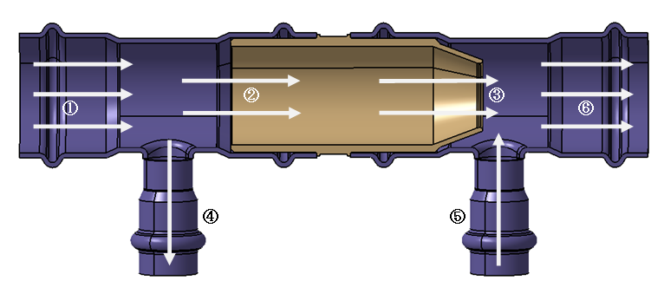
How the sheet works: |  |  |  |  |  |  |  |  | User Input Cells
 | Values are entered for pipe sizes, flow, length, etc. |  |  |  |  |  |  |  | Calculated Values, Constants
 | Using Pascal's law, the pressure at adjacent points is constant. |  |  |  |  |  |  |  | Important Values
 | Points: 1, 2, and 4 are adjacent as are points: 3, 5, and 6
 | At point 2: P2 = P1, Q2 < Q1, A2 ~ A1
 | At point 4: P4 = P1, Q4 = (Q1 - Q2), A4 < A1
 | Due to the conservation of mass, the mass flow rate is constant between 1 and 6, 2 and 3, and 4 and 5
 | From point 2 to 3, mass flow is constant, density is also constant therefore volumetric flow is constant

 | Use Bernoulli's equation to find values at point 3 based on values at point 2
 | (both sides of Bernoulli's are multiplied by rho, to achieve pressure units)
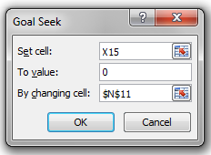
 | use Hazen-Williams to find P5 based on P4
 | If P3 < P5, flow through the loop occurs

How to use the sheet:
 | Enter values in all yellow cells (Q4 should be a small positive number or 0)
 | Gray cells contain formulas, do not change them
 | On the "Data" Ribbon, click "What-If-Analysis", on the drop-down, click "Goal Seek"
 | In the pop-up window for goal seek,
 |  | Set cell: U15
 |  | To value: 0
 |  | By changing cell: N11
 | Water flows along the path of least resistance. This page compares resistance through the Venturi to the resistance through the loop and changes the flow
 |  | through the loop until the resistance in both paths are the same.

